TOTAL
Alkalmazott szűrők: Highlighted nem egyezik ezzel: (Üres) Mandatory egyezik ezzel: Yes LSP egyezik ezzel: Maersk TO_assigned_status_date ekkori vagy későbbi a következőnél: 2026.04.27. 0:00:00 és dátuma korábbi, mint 2026.05.04. 0:00:00 Canceled_shipment egyezik ezzel: N

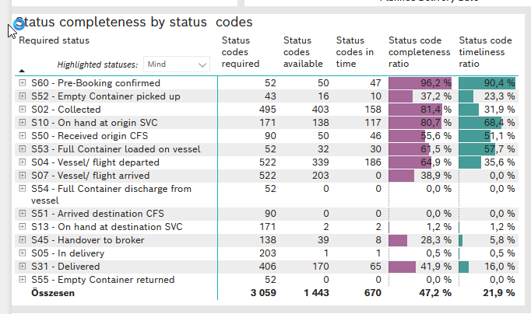
Required status | STATUS_TYPE | Service_Provider | Status codes required | Status codes available | Status codes in time | Status code completeness ratio | Status code timeliness ratio
S60 - Pre-Booking confirmed | Actual | 0000056066 - Maersk | 52 | 50 | 47 | 96.2 % | 90.4 %
S52 - Empty Container picked up | Actual | 0000056066 - Maersk | 43 | 16 | 10 | 37.2 % | 23.3 %
S02 - Collected | Actual | 0000056066 - Maersk | 269 | 197 | 158 | 73.2 % | 58.7 %
S02 - Collected | Estimated | 0000056066 - Maersk | 226 | 206 | 0 | 91.2 % | 0.0 %
S10 - On hand at origin SVC | Actual | 0000056066 - Maersk | 171 | 138 | 117 | 80.7 % | 68.4 %
S50 - Received origin CFS | Actual | 0000056066 - Maersk | 90 | 50 | 46 | 55.6 % | 51.1 %
S53 - Full Container loaded on vessel | Actual | 0000056066 - Maersk | 52 | 32 | 30 | 61.5 % | 57.7 %
S04 - Vessel/ flight departed | Actual | 0000056066 - Maersk | 261 | 106 | 104 | 40.6 % | 39.8 %
S04 - Vessel/ flight departed | Estimated | 0000056066 - Maersk | 261 | 233 | 82 | 89.3 % | 31.4 %
S07 - Vessel/ flight arrived | Actual | 0000056066 - Maersk | 261 | 0 | 0 | 0.0 % | 0.0 %
S07 - Vessel/ flight arrived | Estimated | 0000056066 - Maersk | 261 | 203 | 0 | 77.8 % | 0.0 %
S54 - Full Container discharge from vessel | Actual | 0000056066 - Maersk | 52 | 0 | 0 | 0.0 % | 0.0 %
S51 - Arrived destination CFS | Actual | 0000056066 - Maersk | 90 | 0 | 0 | 0.0 % | 0.0 %
S13 - On hand at destination SVC | Actual | 0000056066 - Maersk | 171 | 2 | 2 | 1.2 % | 1.2 %
S45 - Handover to broker | Actual | 0000056066 - Maersk | 69 | 0 | 0 | 0.0 % | 0.0 %
S45 - Handover to broker | Estimated | 0000056066 - Maersk | 69 | 39 | 8 | 56.5 % | 11.6 %
S05 - In delivery | Actual | 0000056066 - Maersk | 203 | 1 | 1 | 0.5 % | 0.5 %
S31 - Delivered | Actual | 0000056066 - Maersk | 203 | 0 | 0 | 0.0 % | 0.0 %
S31 - Delivered | Estimated | 0000056066 - Maersk | 203 | 170 | 65 | 83.7 % | 32.0 %
S55 - Empty Container returned | Actual | 0000056066 - Maersk | 52 | 0 | 0 | 0.0 % | 0.0 %

BCO
Alkalmazott szűrők: Highlighted nem egyezik ezzel: (Üres) Mandatory egyezik ezzel: Yes LSP egyezik ezzel: Maersk Service_Load egyezik ezzel: BCO TO_assigned_status_date ekkori vagy későbbi a következőnél: 2026.04.27. 0:00:00 és dátuma korábbi, mint 2026.05.04. 0:00:00 Canceled_shipment egyezik ezzel: N

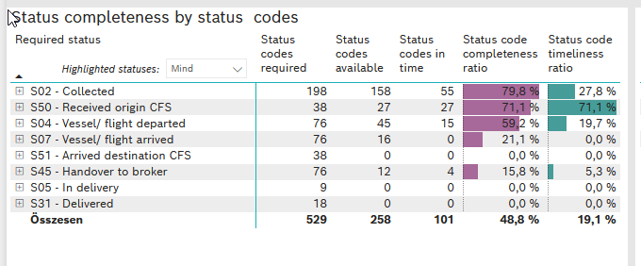
Required status | STATUS_TYPE | Service_Provider | Status codes required | Status codes available | Status codes in time | Status code completeness ratio | Status code timeliness ratio
S02 - Collected | Actual | 0000056066 - Maersk | 99 | 73 | 55 | 73.7 % | 55.6 %
S02 - Collected | Estimated | 0000056066 - Maersk | 99 | 85 | 0 | 85.9 % | 0.0 %
S50 - Received origin CFS | Actual | 0000056066 - Maersk | 38 | 27 | 27 | 71.1 % | 71.1 %
S04 - Vessel/ flight departed | Actual | 0000056066 - Maersk | 38 | 11 | 11 | 28.9 % | 28.9 %
S04 - Vessel/ flight departed | Estimated | 0000056066 - Maersk | 38 | 34 | 4 | 89.5 % | 10.5 %
S07 - Vessel/ flight arrived | Actual | 0000056066 - Maersk | 38 | 0 | 0 | 0.0 % | 0.0 %
S07 - Vessel/ flight arrived | Estimated | 0000056066 - Maersk | 38 | 16 | 0 | 42.1 % | 0.0 %
S51 - Arrived destination CFS | Actual | 0000056066 - Maersk | 38 | 0 | 0 | 0.0 % | 0.0 %
S45 - Handover to broker | Actual | 0000056066 - Maersk | 38 | 0 | 0 | 0.0 % | 0.0 %
S45 - Handover to broker | Estimated | 0000056066 - Maersk | 38 | 12 | 4 | 31.6 % | 10.5 %
S05 - In delivery | Actual | 0000056066 - Maersk | 9 | 0 | 0 | 0.0 % | 0.0 %
S31 - Delivered | Actual | 0000056066 - Maersk | 9 | 0 | 0 | 0.0 % | 0.0 %
S31 - Delivered | Estimated | 0000056066 - Maersk | 9 | 0 | 0 | 0.0 % | 0.0 %

FCL
Alkalmazott szűrők: Highlighted nem egyezik ezzel: (Üres) Mandatory egyezik ezzel: Yes LSP egyezik ezzel: Maersk Service_Load egyezik ezzel: FCL TO_assigned_status_date ekkori vagy későbbi a következőnél: 2026.04.27. 0:00:00 és dátuma korábbi, mint 2026.05.04. 0:00:00 Canceled_shipment egyezik ezzel: N

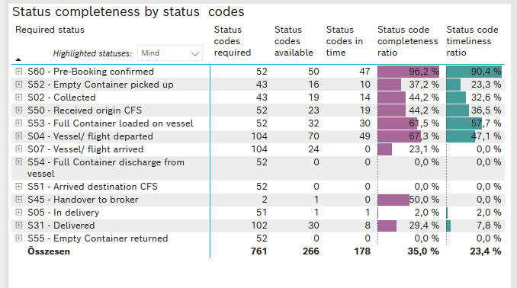
Required status | STATUS_TYPE | Service_Provider | Status codes required | Status codes available | Status codes in time | Status code completeness ratio | Status code timeliness ratio
S60 - Pre-Booking confirmed | Actual | 0000056066 - Maersk | 52 | 50 | 47 | 96.2 % | 90.4 %
S52 - Empty Container picked up | Actual | 0000056066 - Maersk | 43 | 16 | 10 | 37.2 % | 23.3 %
S02 - Collected | Actual | 0000056066 - Maersk | 43 | 19 | 14 | 44.2 % | 32.6 %
S50 - Received origin CFS | Actual | 0000056066 - Maersk | 52 | 23 | 19 | 44.2 % | 36.5 %
S53 - Full Container loaded on vessel | Actual | 0000056066 - Maersk | 52 | 32 | 30 | 61.5 % | 57.7 %
S04 - Vessel/ flight departed | Actual | 0000056066 - Maersk | 52 | 34 | 32 | 65.4 % | 61.5 %
S04 - Vessel/ flight departed | Estimated | 0000056066 - Maersk | 52 | 36 | 17 | 69.2 % | 32.7 %
S07 - Vessel/ flight arrived | Actual | 0000056066 - Maersk | 52 | 0 | 0 | 0.0 % | 0.0 %
S07 - Vessel/ flight arrived | Estimated | 0000056066 - Maersk | 52 | 24 | 0 | 46.2 % | 0.0 %
S54 - Full Container discharge from vessel | Actual | 0000056066 - Maersk | 52 | 0 | 0 | 0.0 % | 0.0 %
S51 - Arrived destination CFS | Actual | 0000056066 - Maersk | 52 | 0 | 0 | 0.0 % | 0.0 %
S45 - Handover to broker | Actual | 0000056066 - Maersk | 1 | 0 | 0 | 0.0 % | 0.0 %
S45 - Handover to broker | Estimated | 0000056066 - Maersk | 1 | 1 | 0 | 100.0 % | 0.0 %
S05 - In delivery | Actual | 0000056066 - Maersk | 51 | 1 | 1 | 2.0 % | 2.0 %
S31 - Delivered | Actual | 0000056066 - Maersk | 51 | 0 | 0 | 0.0 % | 0.0 %
S31 - Delivered | Estimated | 0000056066 - Maersk | 51 | 30 | 8 | 58.8 % | 15.7 %
S55 - Empty Container returned | Actual | 0000056066 - Maersk | 52 | 0 | 0 | 0.0 % | 0.0 %

LCL
Alkalmazott szűrők: Highlighted nem egyezik ezzel: (Üres) Mandatory egyezik ezzel: Yes LSP egyezik ezzel: Maersk Service_Load egyezik ezzel: LCL TO_assigned_status_date ekkori vagy későbbi a következőnél: 2026.04.27. 0:00:00 és dátuma korábbi, mint 2026.05.04. 0:00:00 Canceled_shipment egyezik ezzel: N

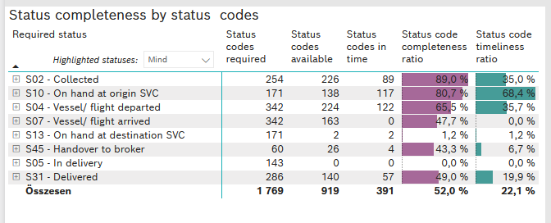
Required status | STATUS_TYPE | Service_Provider | Status codes required | Status codes available | Status codes in time | Status code completeness ratio | Status code timeliness ratio
S02 - Collected | Actual | 0000056066 - Maersk | 127 | 105 | 89 | 82.7 % | 70.1 %
S02 - Collected | Estimated | 0000056066 - Maersk | 127 | 121 | 0 | 95.3 % | 0.0 %
S10 - On hand at origin SVC | Actual | 0000056066 - Maersk | 171 | 138 | 117 | 80.7 % | 68.4 %
S04 - Vessel/ flight departed | Actual | 0000056066 - Maersk | 171 | 61 | 61 | 35.7 % | 35.7 %
S04 - Vessel/ flight departed | Estimated | 0000056066 - Maersk | 171 | 163 | 61 | 95.3 % | 35.7 %
S07 - Vessel/ flight arrived | Actual | 0000056066 - Maersk | 171 | 0 | 0 | 0.0 % | 0.0 %
S07 - Vessel/ flight arrived | Estimated | 0000056066 - Maersk | 171 | 163 | 0 | 95.3 % | 0.0 %
S13 - On hand at destination SVC | Actual | 0000056066 - Maersk | 171 | 2 | 2 | 1.2 % | 1.2 %
S45 - Handover to broker | Actual | 0000056066 - Maersk | 30 | 0 | 0 | 0.0 % | 0.0 %
S45 - Handover to broker | Estimated | 0000056066 - Maersk | 30 | 26 | 4 | 86.7 % | 13.3 %
S05 - In delivery | Actual | 0000056066 - Maersk | 143 | 0 | 0 | 0.0 % | 0.0 %
S31 - Delivered | Actual | 0000056066 - Maersk | 143 | 0 | 0 | 0.0 % | 0.0 %
S31 - Delivered | Estimated | 0000056066 - Maersk | 143 | 140 | 57 | 97.9 % | 39.9 %

